Vehicle Expense Tracker
 |  |  | VEHICLE EXPENSE TRACKER

Add Vehicle
Save Vehicle
Sel.Tab | 5
Veh Db Row |  |  |  |  | VEHICLES
New Veh | FALSE | Vehicle List
Sel. Car | 12 | Car 1 | Name: | Car 7 | Plate: | Vehicle Picture
Car Load | FALSE | Car 2
 |  | Car 3 | Make: |  | Model:
 |  | Car 4
 |  | Car 5 | Type: |  | Seats:
 |  | Car 6
 |  | Car 7
Clear
Add Picture

Vehicle List
F6 | H6 | F8 | H8 | F10 | H10 | F12 | J13
Vehicle List
Name : | Plate: | Model: | Type: | Seats | Seats2 | Notes | Picture
Car 1 | 456768 | Toyota | camy | sedan | 4 | This is a note | E:\VBA_Projects\img\Cars\Car (1).png
Car 2 | 456769 | Toyota | Flamet | sedan Flad | 5 | This is a note | E:\VBA_Projects\img\Cars\Car (2).png
Car 3
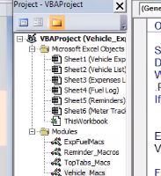
Car 4
Car 5
Car 6

